Income Capitalization Approach
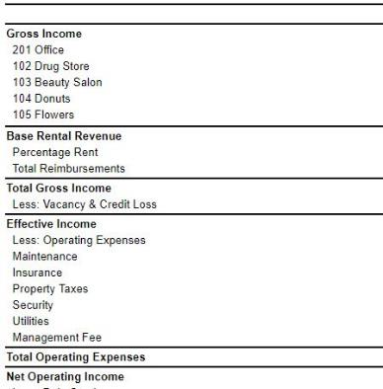
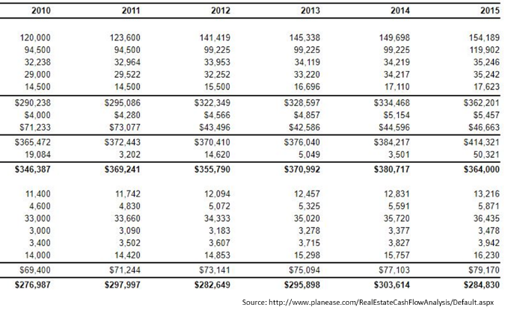
THE INCOME CAPITALIZATION APPROACH TO REAL ESTATE VALUATION |  |  | A.CRE 101
Potential Gross Income |  | 2015 | Pro Forma
Office |  | 154,189 | 158,815
Drug Store |  | 119,902 | 123,499
Beauty Salon |  | 35,246 | 36,303
Donuts |  | 35,242 | 36,299
Flowers |  | 17,623 | 18,152
Base Rental Income |  | 362,202 | 373,068
Reimbursement |  | 46,663 | 48,927
Other Income |  | 5,457 | 5,621
Total Potential Gross Income |  | 414,322 | 427,616
- General Vacancy | 12% | -50,321 | -51,314
Effective Gross Income |  | 364,001 | 376,302
Less: Operating Expenses
Common Area Maintenance |  | 20,634 | 21,253
Management |  | 16,230 | 16,717
Insurance |  | 5,871 | 6,047
Property Taxes |  | 36,435 | 37,528
Total Operating Expenses |  | 79,170 | 81,545

Net Operating Income |  | 284,831 | 294,757
Capitalization Rate |  |  | 6.00%
 |  | 59%
Valuation - Income Approach |  |  | 4,912,614

